BQL
Cell Referencing in BQL()

BQL() now accept assigned parameters, giving a more controlled way to reference cells

A. Simple parameters in BQL

Calculate a long term and short term sharpe ratio for the S&P 500

#interval1 | 1Y
#interval2 | 3M

Universe: | SPY US Equity
DataItem: | Sharpe_Ratio(calc_interval=#interval1).value,Sharpe_Ratio(calc_interval=#interval2).value

 | =BQL(D17,D18,C14:D15,"transpose=true","showheaders=false")
Period | SPY US Equity
1Y | 1.92
3M | 1.40

B. Building a query in multiple steps

What is the average PE_RATIO of a list of stocks?

#period | BT
#fwdPE | PE_RATIO(FPT=#period,FPO=1)
#avgPE | avg(group(#fwdPE))

List |  | Average P/E
sbry ln equity |  | 12.92 | =BQL($C$37:$C$43,$C$33,$C$31:$D$33)
tsco ln equity
ocdo ln equity
mrw ln equity

C. More control over BQL date passing

For INDU members as of the end of 2017, what was the price change during the direct 6 months of 2018?

#univDt | 2017-12-31 | 2017-12-31
#startDt | 2017-12-31 | 2017-12-31
#endDt | 2018-06-30 | 2018-06-30

Universe: | members(['INDU Index'], dates=#univDt)
DataItem: | pct_chg(px_last(dates=range(#startDt,#endDt),fill=prev))

=BQL.Query(D15,C13,D13)
ID | pct_chg(px_last(dates=range(#startDt,#endDt),fill=prev))
AAPL UW Equity | 9.38
AXP UN Equity | -1.32
BA UN Equity | 13.77
CAT UN Equity | -13.90
CSCO UW Equity | 12.35
CVX UN Equity | 0.99
DD UN Equity | -7.44
DIS UN Equity | -2.51
GE UN Equity | -22.01
GS UN Equity | -13.42
HD UN Equity | 2.94
IBM UN Equity | -8.94
INTC UW Equity | 7.69
JNJ UN Equity | -13.15
JPM UN Equity | -2.56
KO UN Equity | -4.40
MCD UN Equity | -8.96
MMM UN Equity | -16.42
MRK UN Equity | 7.87
MSFT UW Equity | 15.28
NKE UN Equity | 27.39
PFE UN Equity | 0.17
PG UN Equity | -15.04
RTX UN Equity | -1.99
TRV UN Equity | -9.81
UNH UN Equity | 11.29
V UN Equity | 16.16
VZ UN Equity | -4.95
WMT UN Equity | -13.27
XOM UN Equity | -1.09

 |  |  |  | HN
 |  |  |  | MH
 |  |  |  | MM
 |  |  |  | NI
 |  |  |  | RE
 |  |  |  | SL

 |  |  |  | SS

BQL.Query
Cell Referencing in BQL.Query()

BQL().Query also accepts assigned parameters, giving a simple way to make a query respond to cell inputs

A. Adding simple parameters to BQL.Query()

What are the members of the S&P 100 in each sector?

#category | Information Technology

get() | get(NAME)
for() | for (filter(members(['OEX Index']), GICS_SECTOR_NAME==#category))

=BQL.Query(D80&D81,C78,D7)
ID | NAME
IBM UN Equity | International Business Machine
ACN UN Equity | Accenture PLC
CSCO UW Equity | Cisco Systems Inc/Delaware
INTC UW Equity | Intel Corp
MSFT UW Equity | Microsoft Corp
NVDA UW Equity | NVIDIA Corp
TXN UW Equity | Texas Instruments Inc
CRM UN Equity | salesforce.com Inc
ADBE UW Equity | Adobe Inc
AAPL UW Equity | Apple Inc
MA UN Equity | Mastercard Inc
ORCL UN Equity | Oracle Corp
AVGO UW Equity | Broadcom Inc
V UN Equity | Visa Inc
PYPL UW Equity | PayPal Holdings Inc
QCOM UW Equity | QUALCOMM Inc

B. Using a query as a template for multiple cells

What is the exposure to industrials in different indicies?

get() | get(sum(group(ID().weights)))
for() | for(filter(members(#index), GICS_SECTOR_NAME=='Industrials'))

#index | % Exposure to Industrials
['SPX Index'] | 7.73 | =BQL.Query($D$61&$D$62,$C$64,$C65)
['CAC Index'] | 20.94 | =BQL.Query($D$61&$D$62,$C$64,$C66)
['OEX Index'] | 4.70 | =BQL.Query($D$61&$D$62,$C$64,$C67)

C. Building up an expressive query step by step

What are the top 10 tightening bonds in the Bloomberg Barclays Emerging Markets Hard Currency Aggregate Index over the last week

#Index | EMUSTRUU INDEX
#DateRange | range(-7d,-0d)
#TopN | 10
#IndexMembers | members(#Index)
#SpreadChange | net_chg(spread(dates=#DateRange,fill=prev))
#RankedSpreadChange | grouprank(#SpreadChange,order=ASC)
#SortedSpreadChange | groupsort(#SpreadChange,order=ASC)
#TopNMembers | filter(#indexMembers,#RankedSpreadChange<=#TopN)

get() | get(#SortedSpreadChange)
for() | for(#TopNMembers)

=BQL.Query(D133&D134,C124:D13)
ID | #SortedSpreadChange
AQ316129 Corp | -553.55233765
AZ743950 Corp | -184
LW406997 Corp | -84
AM293583 Corp | -84
AQ894102 Corp | -78
AZ744316 Corp | -77
AX919392 Corp | -76
ZQ699763 Corp | -63
BO767885 Corp | -51
QZ214967 Corp | -44

 |  |  | HN
 |  |  | MH
 |  |  | MM
 |  |  | NI
 |  |  | RE
 |  |  | SL

 |  |  | SS

Help
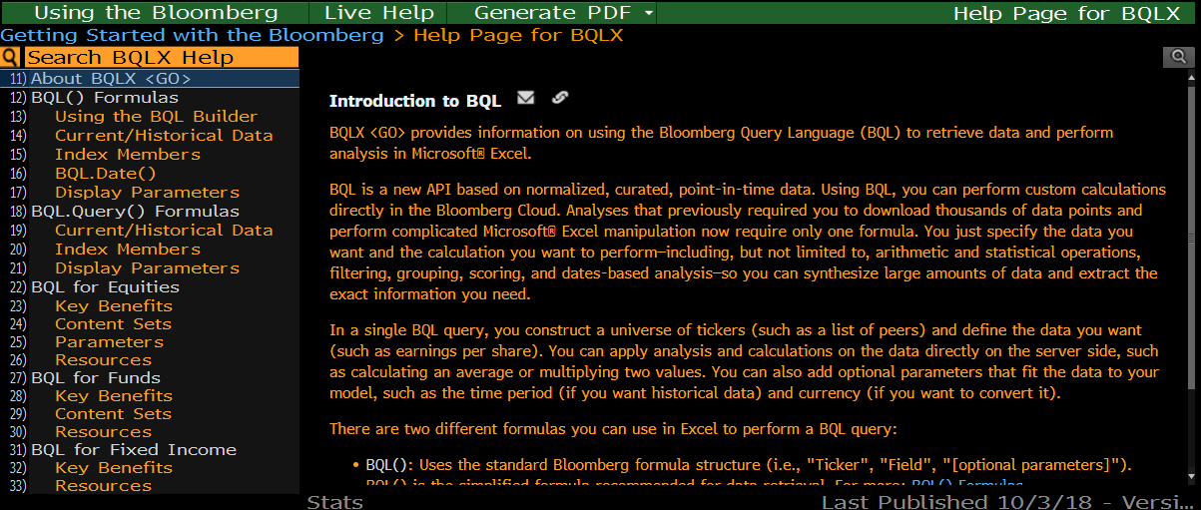
More on BQL

For more information, visit BQLX on the Bloomberg Terminal by clicking here: | BQLX

